Overview of D-Mart
Overview of D - Mart Company
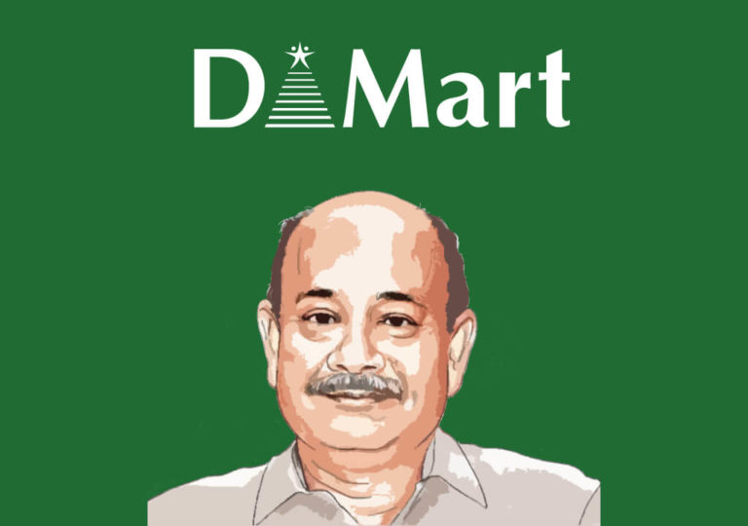

 | Background and Founding

 | Founder: Radhakishan Damani, a seasoned investor and entrepreneur.
 | Year Founded: 2002.
 | Headquarters: Mumbai, Maharashtra, India.
 | Parent Company: Avenue Supermarts Limited.
 | Initial Concept: Provide everyday low prices across a broad range of product categories.

 | Financial Performance

 | Profitability: D-Mart is known for its strong financial performance, consistently posting profits due to its efficient cost management and high inventory turnover.
 | IPO and Market Capitalization: Avenue Supermarts went public in 2017, and its IPO was highly successful. The company's stock has performed well, making it one of the most valuable retail companies in India.
Mumbai headquartered DMart is owned and operated by Avenue Supermarts Ltd. (ASL). After the IPO posting (as Avenue Supermarts Ltd.), it made a record opening on the National Stock Exchange(NSE). DMart’s valuation rose to ₹39,988 crore after the close of the stock on 22 March 2017. This made DMart the 65th most significant Indian firm, followed by Britannia Industries, Marico, and Bank of Baroda. As of 21 November 2019, the market capitalization of DMart was around ₹114,000 crore, taking it on 33rd position of all recorded organizations on the Bombay Stock Exchange.

D'Mart is an Indian chain of hypermarkets established by DMart owner Radhakishan Damani on May 15, 2002. DMart has 214 stores in 72 cities across 11 states in India including Maharashtra, Andhra Pradesh, Telangana, Gujarat, Madhya Pradesh, Chhattisgarh, Rajasthan, National Capital Region, Tamil Nadu, Karnataka, Uttar Pradesh, Daman, and Punjab. So, let's get started with the D'mart case study.

